Themes & Topics
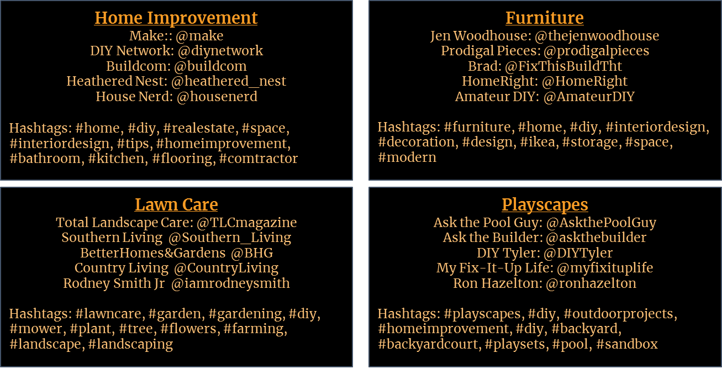
Themes are critical to your high value target markets. On this page, start by identifying key themes and the topics they are discussing. Then add hashtags used by communities to discuss them and the keywords they use in searching for solutions. On the next tab, we will also add the influencers discussing each theme or topic. Examples of actual analyses are shown on the right.
 |  |  |  | Example of 4 markets
Theme | Topic | Hashtags | Keywords

Important Events
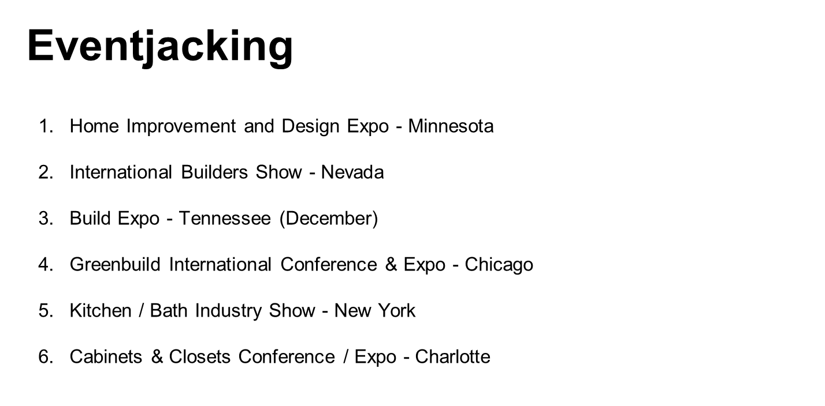
Events - Conferences, Conventions, Seminars, etc. - are where your high value markets congregate. It is also a source of great content creation opportunities before, during and after the event. If you are not going, using the event hashtags gives you a way to participate with content and comments without being there. Knowing the events also gives you speaker information. Speakers are often influencers you need to follow. Find the events your high value markets attend and enter them here. You usually can then copy and paste them into subsequent years and just adjust the dates. There are eventjacking examples below from actual client projects.

Event | Sponsor | Location | Theme | Start Date | End Date | Event Hashtag | Speakers | Topics | Speaker "Handles" | Site
Think 2019 | IBM | San Francisco, CA |  | 2/12/19 | 2/15/19 | #think2019

EventJacking Example for a 4-Nation European Food Industry Market |  |  |  |  |  |  | EventJacking for a US Do It Yourself Market

Holidays to Celebrate
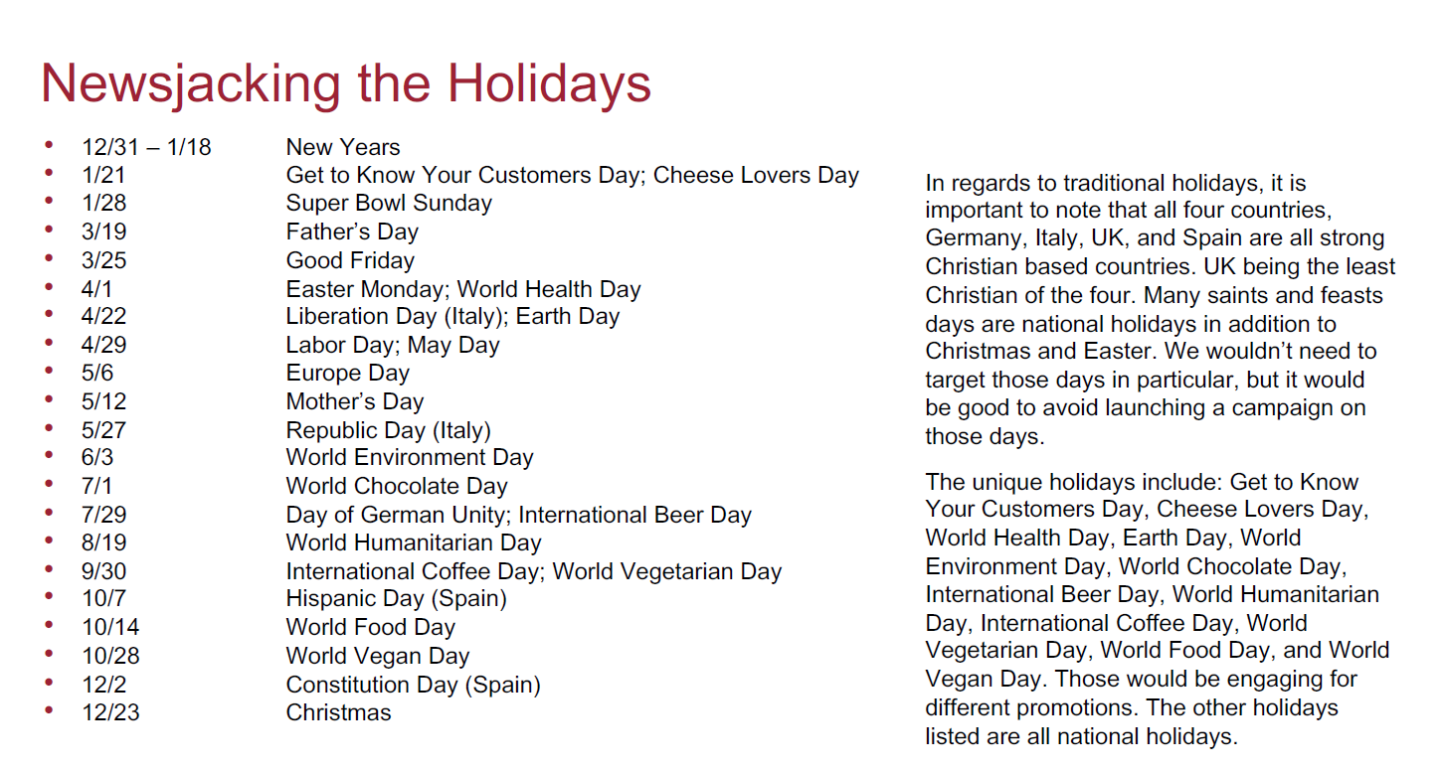
Newsjacking is identifying the major and minor holidays and celebration days for your high value markets. If they are celebrating then so should you. You can do it with micro-content, created content specific to the market & the occasion or just an image and a well-wishing from you and your organization. Identify the newsjacking events here and you can usually copy and paste them from year to year and then adjust the dates - if required.

Date | Event | Hashtags
 |  |  | Example for a Do It Yourself Target Market in the United States

 |  |  | Focus on a 4-nation European Food Industry Market

